ورقة1
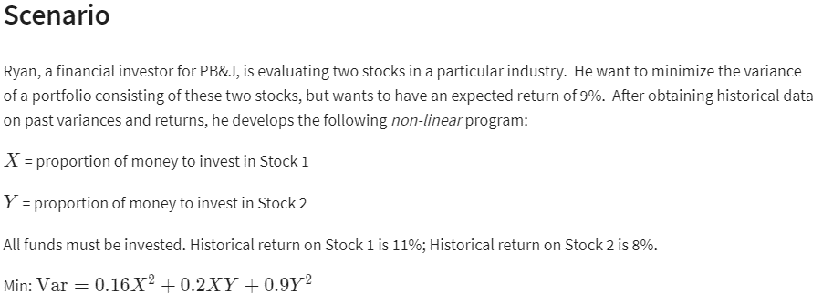
Protofolio Varience

 | X | Y
 | 93% | 7%

nonlinear | X^2 | XY | Y^2
 | 0.86533261804 | 0.064899943228 | 0.0048674955077
 | 0.16 | 0.2 | 0.9

Objective | min
Variance | 0.15581395349

Constraint |  |  | LHS | SIGN | RHS
all funds invested | 1 | 1 | 1 | = | 100%
exp.return 9% | 11% | 8% | 0.10790697684 | >= | 9%

